FuselageTop
X Coor | Y Coor | X Center | Y Center
28.32 | 17.14 | -6.23 | 4.47
32.70 | 17.12 | -1.84 | 4.45
33.32 | 19.94 | -1.22 | 7.27
31.67 | 20.49 | -2.88 | 7.82
34.56 | 21.68 | 0.02 | 9.02
37.40 | 20.49 | 2.86 | 7.82
35.80 | 19.89 | 1.25 | 7.23
36.39 | 17.09 | 1.85 | 4.43
40.80 | 17.14 | 6.26 | 4.47
40.80 | 15.44 | 6.26 | 2.78
36.67 | 10.07 | 2.13 | -2.59
36.35 | 7.41 | 1.81 | -5.26
42.31 | 7.64 | 7.77 | -5.03
41.99 | 5.90 | 7.45 | -6.77
35.89 | 5.90 | 1.35 | -6.77
34.56 | 3.01 | 0.02 | -9.66
33.23 | 5.90 | -1.32 | -6.77
26.80 | 5.90 | -7.74 | -6.77
26.80 | 7.64 | -7.74 | -5.03
32.77 | 7.41 | -1.77 | -5.26
32.45 | 10.07 | -2.10 | -2.59
28.36 | 15.40 | -6.18 | 2.73
34.54 | 12.67

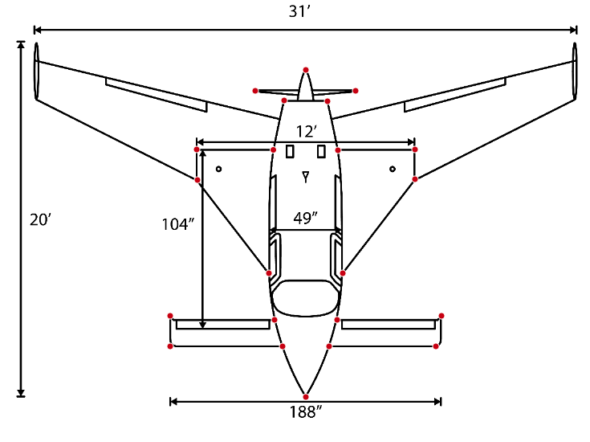
 |  | Min Delta X | 12.48 | ft
 |  | Delta X | 15.51 | ft
 |  | Min Delta Y | 17.48 | ft
 |  | Delta Y | 18.68 | ft

Right Wing
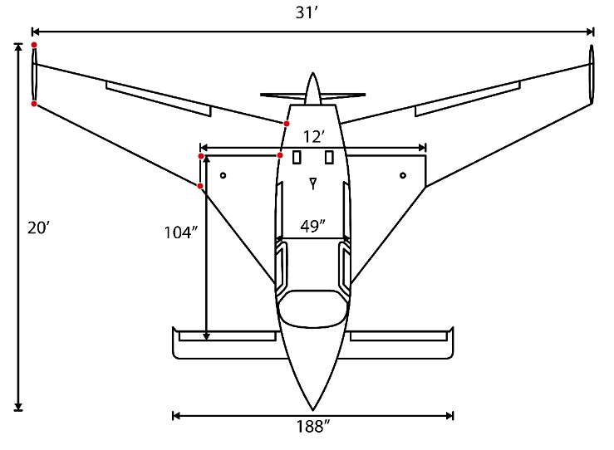
X Coor | Y Coor | X Center | Y Center
19.14 | 23.24 | -7.66 | 4.61
19.14 | 19.99 | -7.66 | 1.35
28.32 | 15.44 | 1.52 | -3.19
28.36 | 17.09 | 1.57 | -1.54
32.72 | 17.14 | 5.93 | -1.49
33.09 | 18.88 | 6.29 | 0.25
26.793239576 | 18.631483354

 |  | Delta X | 13.95 | ft
 |  | Delta Y | 7.80 | ft

Right Conard
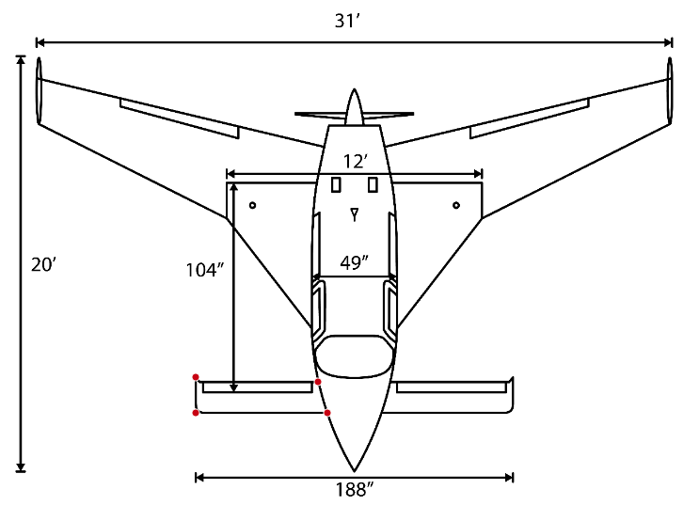
X Coor | Y Coor | X Center | Y Center
32.77 | 7.41 | 2.87 | 0.70
26.80 | 7.64 | -3.10 | 0.93
26.80 | 5.90 | -3.10 | -0.81
33.23 | 5.90 | 3.33 | -0.81
29.90 | 6.71

 |  | Delta X | 6.42 | ft
 |  | Delta Y | 1.74 | ft

FueselageSide
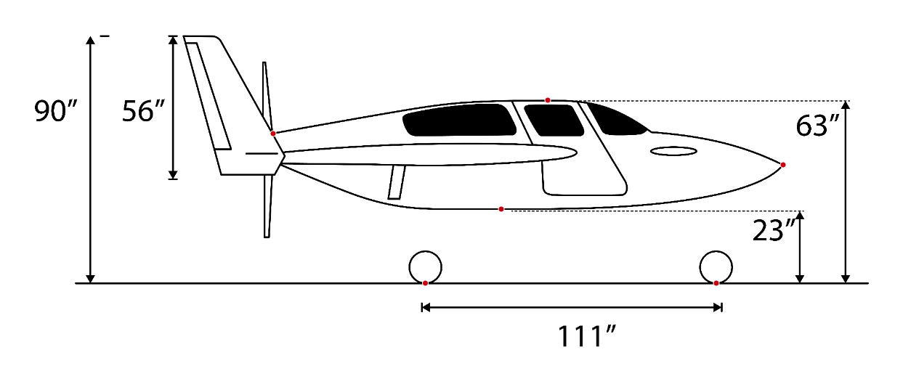
X Coor | Y Coor | X Adj | Y Adj
131.29411765 | 99.39336153 | 0 | 54.529411765
231.35294118 | 111.56983212 | 100.05882353 | 66.705882353
317.11764706 | 88.011008589 | 185.82352941 | 43.147058824
214.41176471 | 71.863949765 | 83.117647059 | 27
292.76470588 | 44.863949765 | 161.47058824 | 0
186.75 | 44.863949765 | 55.455882353 | 0

 | Min Ground to Belly Height | 27 | in

